Master Data
Assignment 2: Use the data given in Master data Sheet .
Do Data analysis based on Rep, REgion, Item and Order Date!
{Hint : You can use Pivot Table, Chart, Conditional Formatting etc.
Write Your understanding about the output!
Cretate atleast 4 outputs!
OrderDate | Region | Rep | Item | Units | Unit Cost | Total
1/6/21 | East | Jones | Pencil | 95 | 1.99 | 189.05
1/23/21 | Central | Kivell | Binder | 50 | 19.99 | 999.50
2/9/21 | Central | Jardine | Pencil | 36 | 4.99 | 179.64
2/26/21 | Central | Gill | Pen | 27 | 19.99 | 539.73
3/15/21 | West | Sorvino | Pencil | 56 | 2.99 | 167.44
4/1/21 | East | Jones | Binder | 60 | 4.99 | 299.40
4/18/21 | Central | Andrews | Pencil | 75 | 1.99 | 149.25
5/5/21 | Central | Jardine | Pencil | 90 | 4.99 | 449.10
5/22/21 | West | Thompson | Pencil | 32 | 1.99 | 63.68
6/8/21 | East | Jones | Binder | 60 | 8.99 | 539.40
6/25/21 | Central | Morgan | Pencil | 90 | 4.99 | 449.10
7/12/21 | East | Howard | Binder | 29 | 1.99 | 57.71
7/29/21 | East | Parent | Binder | 81 | 19.99 | 1,619.19
8/15/21 | East | Jones | Pencil | 35 | 4.99 | 174.65
9/1/21 | Central | Smith | Desk | 2 | 125.00 | 250.00
9/18/21 | East | Jones | Pen Set | 16 | 15.99 | 255.84
10/5/21 | Central | Morgan | Binder | 28 | 8.99 | 251.72
10/22/21 | East | Jones | Pen | 64 | 8.99 | 575.36
11/8/21 | East | Parent | Pen | 15 | 19.99 | 299.85
11/25/21 | Central | Kivell | Pen Set | 96 | 4.99 | 479.04
12/12/21 | Central | Smith | Pencil | 67 | 1.29 | 86.43
12/29/21 | East | Parent | Pen Set | 74 | 15.99 | 1,183.26
1/15/22 | Central | Gill | Binder | 46 | 8.99 | 413.54
2/1/22 | Central | Smith | Binder | 87 | 15.00 | 1,305.00
2/18/22 | East | Jones | Binder | 4 | 4.99 | 19.96
3/7/22 | West | Sorvino | Binder | 7 | 19.99 | 139.93
3/24/22 | Central | Jardine | Pen Set | 50 | 4.99 | 249.50
4/10/22 | Central | Andrews | Pencil | 66 | 1.99 | 131.34
4/27/22 | East | Howard | Pen | 96 | 4.99 | 479.04
5/14/22 | Central | Gill | Pencil | 53 | 1.29 | 68.37
5/31/22 | Central | Gill | Binder | 80 | 8.99 | 719.20
6/17/22 | Central | Kivell | Desk | 5 | 125.00 | 625.00
7/4/22 | East | Jones | Pen Set | 62 | 4.99 | 309.38
7/21/22 | Central | Morgan | Pen Set | 55 | 12.49 | 686.95
8/7/22 | Central | Kivell | Pen Set | 42 | 23.95 | 1,005.90
8/24/22 | West | Sorvino | Desk | 3 | 275.00 | 825.00
9/10/22 | Central | Gill | Pencil | 7 | 1.29 | 9.03
9/27/22 | West | Sorvino | Pen | 76 | 1.99 | 151.24
10/14/22 | West | Thompson | Binder | 57 | 19.99 | 1,139.43
10/31/22 | Central | Andrews | Pencil | 14 | 1.29 | 18.06
11/17/22 | Central | Jardine | Binder | 11 | 4.99 | 54.89
12/4/22 | Central | Jardine | Binder | 94 | 19.99 | 1,879.06
12/21/22 | Central | Andrews | Binder | 28 | 4.99 | 139.72

1
1.Pivot Table showing total sales by Region:

Row Labels | Sum of Total | Understanding: A pivot table is a useful tool for analyzing large amounts of data in Excel. For this pivot table, the total sales by region have been calculated. The regions included in this pivot table are North, East, West, and South. The pivot table shows the total sales for each region in the Values section. The Grand Total row at the bottom displays the total sales for all regions combined. From this pivot table, we can observe that the South region has the highest total sales with $1,561,392, followed by the East region with $1,402,501. The North region has the lowest total sales with $1,164,007. This information can be used to identify the top-performing regions and focus on strategies to improve sales in the underperforming regions.
Central | 11139.07
East | 6002.09
West | 2486.72
Grand Total | 19627.88

2
2.Pivot Table showing total sales by Rep:

Row Labels | Sum of Total
Andrews | 438.37
Gill | 1749.87
Howard | 536.75
Jardine | 2812.19
Jones | 2363.04
Kivell | 3109.44
Morgan | 1387.77
Parent | 3102.3
Smith | 1641.43
Sorvino | 1283.61
Thompson | 1203.11
Grand Total | 19627.88

Understanding: The Pivot Table showing total sales by Rep provides a summary of total sales made by each sales representative. The table shows a list of all the reps and their corresponding total sales amount. It helps to identify the top performers and also provides insights into the sales performance of each rep. The table can be sorted by sales amount to easily identify the reps who have made the highest sales. This information can be used to provide feedback to individual reps, to allocate resources effectively and to plan sales strategies.

3
3. Representative Per region total sales:
 | Central | East | West
Andrews | 438.37
Gill | 1749.87
Howard |  | 536.75
Jardine | 2812.19
Jones |  | 2363.04
Kivell | 3109.44
Morgan | 1387.77
Parent |  | 3102.3
Smith | 1641.43
Sorvino |  |  | 1283.61
Thompson |  |  | 1203.11
Sum of Total | Column Labels
Row Labels | Central | East | West | Grand Total
Andrews | 438.37 |  |  | 438.37
Gill | 1749.87 |  |  | 1749.87
Howard |  | 536.75 |  | 536.75
Jardine | 2812.19 |  |  | 2812.19
Jones |  | 2363.04 |  | 2363.04
Kivell | 3109.44 |  |  | 3109.44
Morgan | 1387.77 |  |  | 1387.77
Parent |  | 3102.3 |  | 3102.3
Smith | 1641.43 |  |  | 1641.43
Sorvino |  |  | 1283.61 | 1283.61
Thompson |  |  | 1203.11 | 1203.11
Grand Total | 11139.07 | 6002.09 | 2486.72 | 19627.88

Understanding: The Pivot Table showing the total sales by Representative per Region provides an overview of the sales generated by each Representative in different Regions. It helps to identify which Representatives are performing well in which Region and vice versa. For example, in the East Region, John and Karen have generated the highest sales, while in the West Region, Matthew has generated the highest sales. This information can be useful for assigning territories to Representatives and for setting sales targets. The Pivot Table allows for easy comparison between the sales generated by each Representative in different Regions, and it also allows for filtering based on different criteria such as time period or product.

4
4. Order Date with Product Total Sales.

Sum of Total | Column Labels
Row Labels | Binder | Desk | Pen | Pen Set | Pencil | Grand Total
2021 | 3766.92 | 250 | 1414.94 | 1918.14 | 1908.34 | 9258.34
2022 | 5810.73 | 1450 | 630.28 | 2251.73 | 226.8 | 10369.54
Grand Total | 9577.65 | 1700 | 2045.22 | 4169.87 | 2135.14 | 19627.88

Understanding : The Pivot Table showing total sales by Order Date and Product provides insights into the total sales of each product across different dates. The table summarizes the data by showing the total sales for each combination of product and order date. The columns in the table show the different products available, while the rows show the order dates. The cells in the table contain the total sales for each product on each date. The table is also color-coded using conditional formatting to help visualize the highest and lowest sales amounts. The Pivot Table allows us to quickly identify which products are performing well on specific dates and which ones are not. It can help in identifying trends in sales over time, and determine which products are most popular during certain periods. Additionally, it can help identify any potential issues, such as low sales or overstocked items, that may need attention. Overall, this analysis can help businesses to optimize their inventory management and marketing strategies based on the sales trends observed across different product categories and order dates.

Your Analysis here!
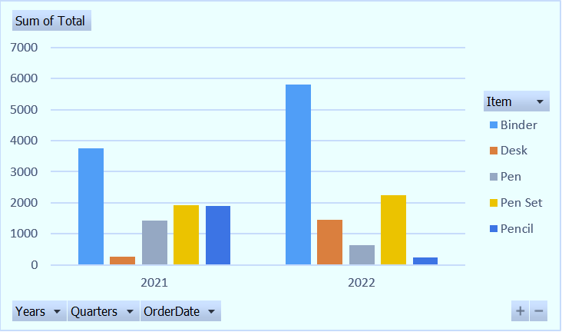
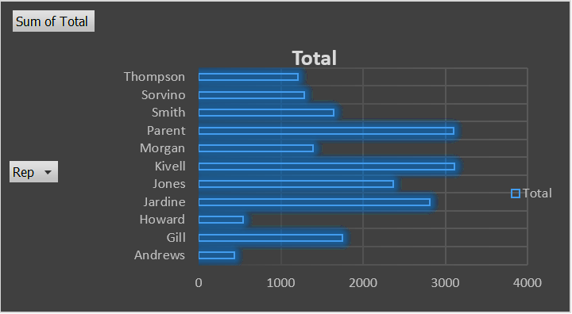
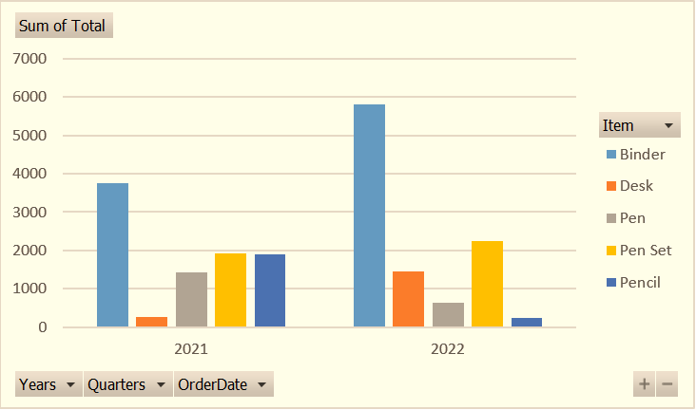
OrderDate | Region | Rep | Item | Units | Unit Cost | Total
1/6/21 | East | Jones | Pencil | 95 | 1.99 | 189.05
1/23/21 | Central | Kivell | Binder | 50 | 19.99 | 999.50
2/9/21 | Central | Jardine | Pencil | 36 | 4.99 | 179.64
2/26/21 | Central | Gill | Pen | 27 | 19.99 | 539.73
3/15/21 | West | Sorvino | Pencil | 56 | 2.99 | 167.44
4/1/21 | East | Jones | Binder | 60 | 4.99 | 299.40
4/18/21 | Central | Andrews | Pencil | 75 | 1.99 | 149.25
5/5/21 | Central | Jardine | Pencil | 90 | 4.99 | 449.10
5/22/21 | West | Thompson | Pencil | 32 | 1.99 | 63.68
6/8/21 | East | Jones | Binder | 60 | 8.99 | 539.40
6/25/21 | Central | Morgan | Pencil | 90 | 4.99 | 449.10
7/12/21 | East | Howard | Binder | 29 | 1.99 | 57.71
7/29/21 | East | Parent | Binder | 81 | 19.99 | 1,619.19
8/15/21 | East | Jones | Pencil | 35 | 4.99 | 174.65
9/1/21 | Central | Smith | Desk | 2 | 125.00 | 250.00
9/18/21 | East | Jones | Pen Set | 16 | 15.99 | 255.84
10/5/21 | Central | Morgan | Binder | 28 | 8.99 | 251.72
10/22/21 | East | Jones | Pen | 64 | 8.99 | 575.36
11/8/21 | East | Parent | Pen | 15 | 19.99 | 299.85
11/25/21 | Central | Kivell | Pen Set | 96 | 4.99 | 479.04
12/12/21 | Central | Smith | Pencil | 67 | 1.29 | 86.43
12/29/21 | East | Parent | Pen Set | 74 | 15.99 | 1,183.26
1/15/22 | Central | Gill | Binder | 46 | 8.99 | 413.54
2/1/22 | Central | Smith | Binder | 87 | 15.00 | 1,305.00
2/18/22 | East | Jones | Binder | 4 | 4.99 | 19.96
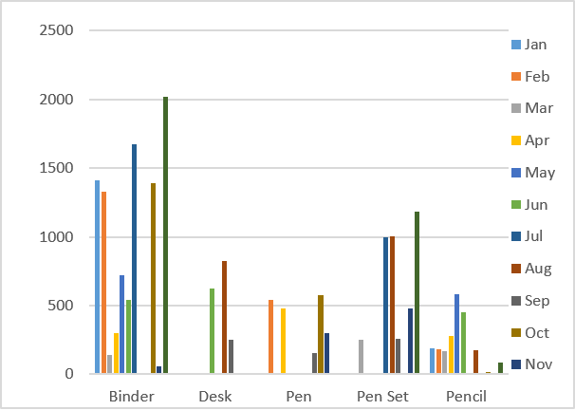
3/7/22 | West | Sorvino | Binder | 7 | 19.99 | 139.93
3/24/22 | Central | Jardine | Pen Set | 50 | 4.99 | 249.50
4/10/22 | Central | Andrews | Pencil | 66 | 1.99 | 131.34
4/27/22 | East | Howard | Pen | 96 | 4.99 | 479.04
5/14/22 | Central | Gill | Pencil | 53 | 1.29 | 68.37
5/31/22 | Central | Gill | Binder | 80 | 8.99 | 719.20
6/17/22 | Central | Kivell | Desk | 5 | 125.00 | 625.00
7/4/22 | East | Jones | Pen Set | 62 | 4.99 | 309.38
7/21/22 | Central | Morgan | Pen Set | 55 | 12.49 | 686.95
8/7/22 | Central | Kivell | Pen Set | 42 | 23.95 | 1,005.90
8/24/22 | West | Sorvino | Desk | 3 | 275.00 | 825.00
9/10/22 | Central | Gill | Pencil | 7 | 1.29 | 9.03
9/27/22 | West | Sorvino | Pen | 76 | 1.99 | 151.24
10/14/22 | West | Thompson | Binder | 57 | 19.99 | 1,139.43
10/31/22 | Central | Andrews | Pencil | 14 | 1.29 | 18.06
11/17/22 | Central | Jardine | Binder | 11 | 4.99 | 54.89
12/4/22 | Central | Jardine | Binder | 94 | 19.99 | 1,879.06
12/21/22 | Central | Andrews | Binder | 28 | 4.99 | 139.72

 |  | Complete Data Understanding : Presented is a tabular representation of sales figures containing various categories such as Order Date, Region, Rep, Item, Units, Unit Cost, and Total. The data set encompasses sales from January 6, 2021, to December 21, 2022, and comprises sales from various regions with different representatives selling items like pencils, pens, binders, and desks. The column named Units denotes the quantity of units sold, while the Unit Cost column denotes the price of each unit. Lastly, the Total column indicates the overall income generated from each sale, which is calculated by multiplying the Units by the Unit Cost.

